Garden Data Input
Data Entry

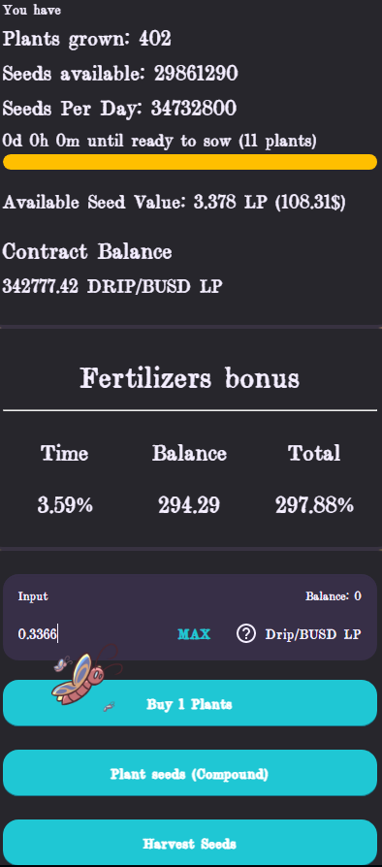
1
 | Farm Data
2
1
6
3
4
 | Drip Garden
 | Garden start Date | 2021-12-16 17:30:00 | Dashboard Data | *Take a screenshot of this so figures dont change between input
 | Days Garden Been Running | 35 | Number Of Plants | 402 |  | Plant Buying Price | 0.3364
2
 | Plant Value (seed) | 2592000 | Seeds Available | 29861290 |  | You can get this by finding the lowest number to buy 1 plant underneath the fertilizer section
3
 | Seeds 1 Plant Earns | 86400 | Available Seed Value (LP) | 3.378
4
 |  |  | Available Seed Value ($) | 108.31 |  | Hydration Period (Hours) | 24
5
 | Starting Data |  | Time | 3.59 |  | *you can get this from the dashboard once other data added
 | Currency To Use | $ | Balance | 294.29 |  | Estimate LP Generation into the future (days) | 10.00
 | My Start Date | 2021-12-21 | Total | 297.88%
5
 | Starting Number Of Plants | 173 | Contract Balance | 342777.42 |  | Investment Calculator
 | Initial Cost | 5,301.00 | Current Prices |  |  | Fill In either Boxes
 | My Plant Price | $30.64 | Drip | 85 |  | Plants To Buy | 100
 | LP Cost Per Plant | 0.86 | BNB | 417.89 |  | Money To Spend | 100
 |  |  | Advanced
 | Data To Fill In |  | TVL | 8683020.81 | https://bscscan.com/address/0xa0feb3c81a36e885b6608df7f0ff69db97491b58
 |  |  | Circulating Supply | 541326.13 | https://pancakeswap.finance/info/pool/0xa0feb3c81a36e885b6608df7f0ff69db97491b58
 |  |  | Contract address | 0xa0feB3c81A36E885B6608DF7f0ff69dB97491b58
6
 | By Filling in 'Harvested To Date' sheet you can see your current ROI stats. You can get all this data from BSC scan if you’ve already started |  |  |  |  | 6: find the lowest value that lights up the Buy 1 plant button

